Contract
SALES CONTRACT

 |  |  |  |  | DATE: | 18/07/2025
 |  |  |  | CONTRACT NO.: |  | MT2-25005E
The Seller: | CALIFOR UPHOLSTERY MATERIALS CO.,LTD.
 | XIN BAVET SEZ, Road No. 316A, Trapeang Bon and Prey Kokir Villages, Prey Kokir Commune, Chantrea District,
 | Svay Rieng Province, Kingdom of Cambodia.
TEL: | +855 975910636
The Buyer: | MOTO INNOVATION VIETNAM LIMITED COMPANY
 | Factory C-1B-B1-B and C-1B-B2, Lot C-1B-CN, DE4 Street, My Phuoc 3 Industrial Park, Thoi Hoa Ward, Ho Chi Minh City, Vietnam
 | Contact Person : XU MEIJUN Tel: 0274 3803833
After discussion, the both parties agree to sell and purchase the commodities on the following terms and conditions:
1.NAME OF COMMODITY AND SPECIFICATION:
The seller guaranteed the correct color delivery, Commodity, Dimension and quantity as follow:
No. | P.O. Nº | Name of Cormodity | Description | Quantity (SF) | Unit Price (USD) | Total value (USD)
1 | BPL2570385 | B13100440A | LEATHER | 19,518.5000 | 1.4400 | 28,106.6400
2 | BPL2570385 | B13100061A |  | 39,087.2000 | 1.4800 | 57,849.0560
3 | BPL2570385 | B13100061A |  | 781.9000 | 1.1800 | 922.6420
4 | BPL2570385 | B13100081A |  | 18,029.1000 | 1.4800 | 26,683.0680
5 | BPL2570385 | B13100349A |  | 10,194.4000 | 1.5000 | 15,291.6000
6 | BPL2570385 | B13100349A |  | 41.4000 | 1.2000 | 49.6800
TOTAL: |  |  |  | 87,652.5000 |  | 128,902.6860
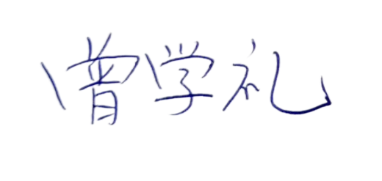
DAP: | HCM
Term of Payment: 100% TT after shipment
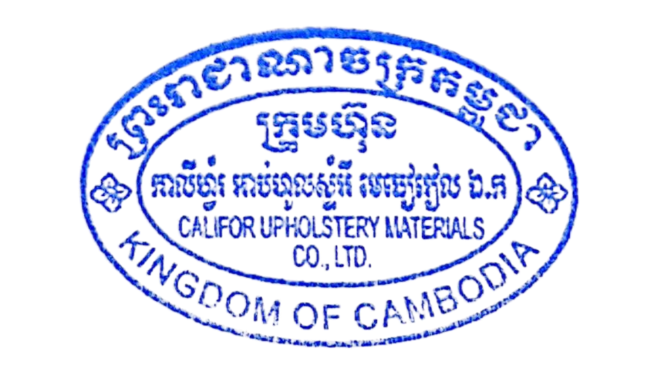
Transaction method: DAP(USD)
Beneficiary bank information: |  |  |  | CALIFOR UPHOLSTERY MATERIALS CO.,LTD.
Beneficiary Bank' s Name: |  |  |  | BANK OF CHINA(HONG KONG)LIMITED PHNOM PENH BRANCH /BANK OF CHINA PHNOM PENH BRANCH
Bank Address: |  |  |  | 1st AND 2nd FLOOR,CANADIA TOWER,No.315 ANDDUONG ST.,PHNOM PEMH,CAMBODIA.
Bank account : |  |  |  | 100001100764430
SWIFT CODE ： |  |  |  | BKCHKHPPXXX

 | The Buyer: |  |  |  | The Seller:
MOTO INNOVATION VIETNAM LIMITED COMPANY |  |  |  | CALIFOR UPHOLSTERY MATERIALS CO.,LTD.

